Solution Design
Users | Device |  | Systems |  |  | EIS

External |  |  |  | External Services
Users (100)

MQ
MF/AS400
 |  |  | Firewall
 |  | Firewall |  | Servers
Enterprise Service Bus

 |  |  |  |  | DMZ

BPM / Workflows
Legacy
Systems
Application
Framework
C
C
Component
UI Framework
 |  |  |  |  | Internal Network
Internal
Users (30)
Services
SOAP/REST
Caching
Infra
DB

Push
Technology
Scripts
&
Configs

 | Client |  | Application & Service |  |  | Data
 | Security |  | Security |  |  | Security

Development & Delivery
GitHub
SCM

 |  |  | 1 | All the environment (Dev, QA & PROD) infrastructure are configured thru CHEF.
Development | QA | Production | 2 | Developers checks-in to SCM.
 |  |  | 3 | Developer's check-in triggers automatic Jenkins build task.
 |  |  | 4 | Git Check-out
 |  |  | 5 | Launch Maven
CHEF
DevOps
 |  |  | 6 | Code review with Sonar Cube
 |  |  | 7 | Build
 |  |  | 8 | Unit Test
 |  |  | 9 | Packaging
 |  |  | 10 | Archive is pushed to Repository manager
 |  |  | 11 | Environment Monitoring thru - NAGIOS

SonarCube
Code Review
NAGIOS
Server Monitoring
Jenkins
Continues Integration
Git Check Out
Launch Maven

NEXUS
Repository Manager
Versioning
Code Review
Build
Unit Test
Packaging
Archiving

Deployment Architecture
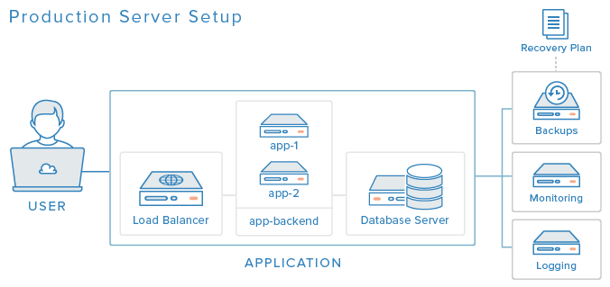

https://www.digitalocean.com/community/tutorials/5-ways-to-improve-your-production-web-application-server-setup

Development & Delivery (2)
GitHub
SCM
Development |  | Production

 | QA

CHEF
DevOps

Jenkins
Continues Integration

